Cascades for all patients
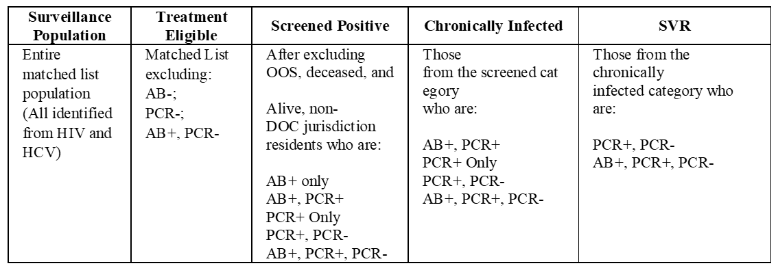
1 | Ever infected | Any positive HCV result (AB, PCR, Ag) - Exclude OOS/OOJ and deceased
2a | No viral testing performed | No VL testing performed.
2b | Viral testing performed | Any VL testing performed (including neg.)
3a | No infection present | Initial infection cured or cleared
3b | Infection present | Those with detectable VL during follow-up period.
4a | Not cured/cleared | HCV infection not cured or cleared during the cascade timeframe.
4b | Cured/cleared | HCV infection cured or cleared during the cascade timeframe
5 | Persistent Infection or reinfection | Persistent infection or reinfection—All individuals where a negative/ “not detected” result (Step 4b) is followed by an HCV viral test result positive/“detected.”

HCV Clearance Cascade
Ever infected | 0
Viral Testing | 0 | 0 |  | 0%
Initial Infection | 0 | 0 |  | 0%
Cured or cleared | 0 | 0 |  | 0%
Persistent Infection or reinfection | 0 |  |  | 0%
1 | Ever infected | 0
2 | Viral Testing | 0 | 0 |  | #DIV/0!
3 | Initial Infection | 0 | 0 |  | #DIV/0!
1
4 | Cured or cleared | 0 | 0 |  | #DIV/0!
2a
3a
5 | Persistent Infection or reinfection | 0 |  |  | #DIV/0!

2b
4a
3b
#DIV/0!
5
#DIV/0!
 | Screened (AB+ and/or PCR+)
4b
#DIV/0!
#DIV/0!
 | Surveillance population | 0
 | Alive in Jurisdiction | 0 | 0
 | Eligible for care | 0 | 0 |  | 100%
 | Chronically Infected (PCR+) | 0 | 0 |  | #DIV/0!
 | SVR/Cured (PCR+ then PCR-) | 0 | 0 | 0 | #DIV/0!

HCV Cascade of Care
Surveillance population | 0
Alive in Jurisdiction | 0 | 0
Eligible for care | 0 | 0
Chronically Infected (PCR+) | 0 | 0
SVR/Cured (PCR+ then PCR-) | 0 | 0 | 0

Cascade for RWsystem
1 | Ever infected | Any positive HCV result (AB, PCR, Ag) - Exclude OOS/OOJ and deceased
2a | No viral testing performed | No VL testing performed.
2b | Viral testing performed | Any VL testing performed (including neg.)
3a | No infection present | Initial infection cured or cleared
3b | Infection present | Those with detectable VL during follow-up period.
4a | Not cured/cleared | HCV infection not cured or cleared during the cascade timeframe.
4b | Cured/cleared | HCV infection cured or cleared during the cascade timeframe
5 | Persistent Infection or reinfection | Persistent infection or reinfection—All individuals where a negative/ “not detected” result (Step 4b) is followed by an HCV viral test result positive/“detected.”

HCV Clearance Cascade
Ever infected | 0
Viral Testing | 0 | 0
Initial Infection | 0 | 0
Cured or cleared | 0 | 0
Persistent Infection or reinfection | 0
1 | Ever infected | 0
2 | Viral Testing | 0 | 0 |  | #DIV/0!
3 | Initial Infection | 0 | 0 |  | #DIV/0!
2a
4 | Cured or cleared | 0 | 0 |  | #DIV/0!
1
5 | Persistent Infection or reinfection | 0 |  |  | #DIV/0!

3a

2b
4a
3b
 | Screened (AB+ and/or PCR+)

69%
94%
5
 | Surveillance population | 0
 | Alive in Jurisdiction | 0 | 0
 | Eligible for care | 0 | 0 |  | 100%
 | Chronically Infected (PCR+) | 0 | 0 |  | #DIV/0!
4b
0%
 | SVR/Cured (PCR+ then PCR-) | 0 | 0 | 0 | #DIV/0!
15%

HCV Cascade of Care
Surveillance population | 0
Alive in Jurisdiction | 0 | 0
Eligible for care | 0 | 0
Chronically Infected (PCR+) | 0 | 0
SVR/Cured (PCR+ then PCR-) | 0 | 0 | 0

100%

67%

15%

